1.Overview
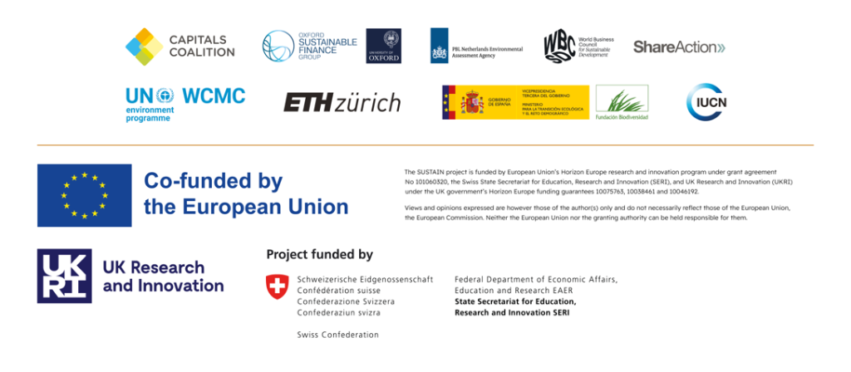
ENCORE's knowledge base outlining business impacts and dependencies on biodiversity
Version: October 2024

About
This zip folder contains the updated ENCORE knowledge base and has been developed as part of the Horizon Europe project “Strengthening Understanding and Strategies of Business to Assess and Integrate Nature (SUSTAIN)”, to improve and update the knowledge base on business dependencies and impacts on nature. The organisations involved in the technical developments and quality assurance of the data were: UN Environment Programme World Conservation Monitoring Centre (UNEP-WCMC), the Capitals Coalition, the Netherlands Environmental Assessment Agency (PBL), the International Union for the Conservation of Nature (IUCN), IUCN Europe and Eidgenoessische Technische Hochschule Zürich (ETH Zürich). Other SUSTAIN project partners include Oxford Sustainable Finance Group, WBCSD, ShareAction and Fundación Biodiversidad. The enhanced knowledge base is aimed primarily at businesses, financial institutions and regulatory bodies to support their screening of potential dependencies and impacts on biodiversity and ecosystem services. The improvements are in line with the evolving finance-business-nature nexus and associated user needs and feedback. The data have been updated by drawing on the latest scientific research and grey literature. The structure of the updated knowledge base is illustrated in the figure below. It contains qualitative links between economic activities and ecosystem services on which these activities directly depend, and links between economic activities and the pressures that these economic activities directly cause. Economic activities are categorized according to the International Standard Industrial Classification (ISIC), ecosystem services are categorized according to the UN System of Environmental Economic Accounting - Ecosystem Accounting (SEEA-EA) Level 1 and pressures are categorized using categories based on the Natural Capital Protocol. For each potential depedency and pressure, the knowledge base provides materiality ratings ranging from Very Low

Overview
This knowledge base comprises 18 files. File 1: Cover page: Overview of the spreadsheet and information about the project and authors File 2: Ecosystem services definitions: Table of the ecosystem services list and their definitions, according to SEAA-EA. File 3: Dependency links: This tab shows the links between economic activities and the ecosystem services upon which they depend. File 4: Pressures definitions: Table of the pressures categories and their definitions, based on the Natural Capital Protocol. File 5: Pressure links: This tab shows the links between economic activities and the pressures they might cause. File 6: Dependency materiality ratings File 7: Pressure materiality ratings File 8: Dependency materiality detail: This tab shows the component scores of the dependency materiality ratings. File 9: Pressure materiality detail: This tab shows the component scores of the pressure materiality ratings. File 10: Ecosystem components definitions File 11: Links between ecosystem services and ecosystem types with components File 12: Mechanisms of change in state definitions File 13: Links between pressures, mechanisms of change in state and ecosystem types with components File 14: EXIOBASE-NACE-ISIC crosswalk developed for the purposes of identifying value chain links, drawn from EU Technical Expert Group on Sustainable Finance, 2019 and Stadler et al. 2019 File 15: Note on value chain links File 16: Upstream value chain links: List of key upstream sectors/economic activities linked to each economic activity in the ENCORE knowledge base File 17: Downstream value chain links: List of key downstream sectors/economic activities linked to each economic activity in the ENCORE knowledge base File 18: Explanatory notes

Figure 1: Structure of the updated ENCORE knowledge base developed by the SUSTAIN Work Package 1.
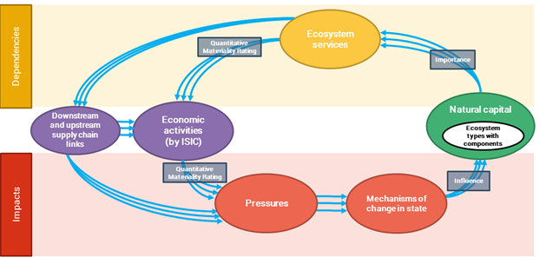

Attribution
UNEP grants permission to use the information contained in this zip folder (which includes existing Intellectual Property Rights) under the terms of a CC BY-SA 4.0 license, strictly subject to attribution being provided to the ENCORE Partners alongside original sources. The contents of the data files contained in this zip folder do not necessarily reflect the views or policies of UNEP, WCMC or Global Canopy, contributory organisations or editors. The designations employed and the presentations of material in this zip folder do not imply the expression of any opinion whatsoever on the part of UNEP, WCMC or Global Canopy or contributory organisations, editors or publishers concerning the legal status of any country, territory, city area or its authorities, or concerning the delimitation of its frontiers or boundaries or the designation of its name, frontiers or boundaries. The mention of a commercial entity or product in this zip folder does not imply endorsement by UNEP, WCMC or Global Canopy. By using the information contained in this zip folder you agree to the Terms and Conditions of ENCORE (available to view at https://encorenature.org/legal). To reference this updated ENCORE knowledge base in publications, analysis, and reports, the User must ensure that the following citation is always clearly reproduced in any publication or analysis involving the ENCORE Materials in any derived form or format: ENCORE Partners (Global Canopy, UNEP FI, and UNEP-WCMC) (2024). ENCORE: Exploring Natural Capital Opportunities, Risks and Exposure. [On-line], [insert month/year of the version downloaded], Cambridge, UK: ENCORE Partners. Available at: https://encorenature.org/en DOI: https://doi.org/10.34892/dz3x-y059

